Sheet1
Description | Pin Number | Remarks | Type
Acclerometer | PA3 | one axis output only | AnalogIn
LCD: |  | NOT I2C
RS | PD11 |  | DigitalOut
RW | PD12 |  | DigitalOut
EN | PD13 |  | DigitalOut
D7:D4 | PD7:PD4 | 4-bit mode | DigitalOut
Backlight | PG0* |  | DigitalOut
button_A | PF2* | date/time: up | DigitalIn
button_B | PH1* | date/time: down | DigitalIn
button_C | PH0* | date/time: confirm | DigitalIn
SD: |  | needs SD card reader
MOSI | PB5 |  | SPI
MISO | PB4 |  | SPI
SCLK | PB3 |  | SPI
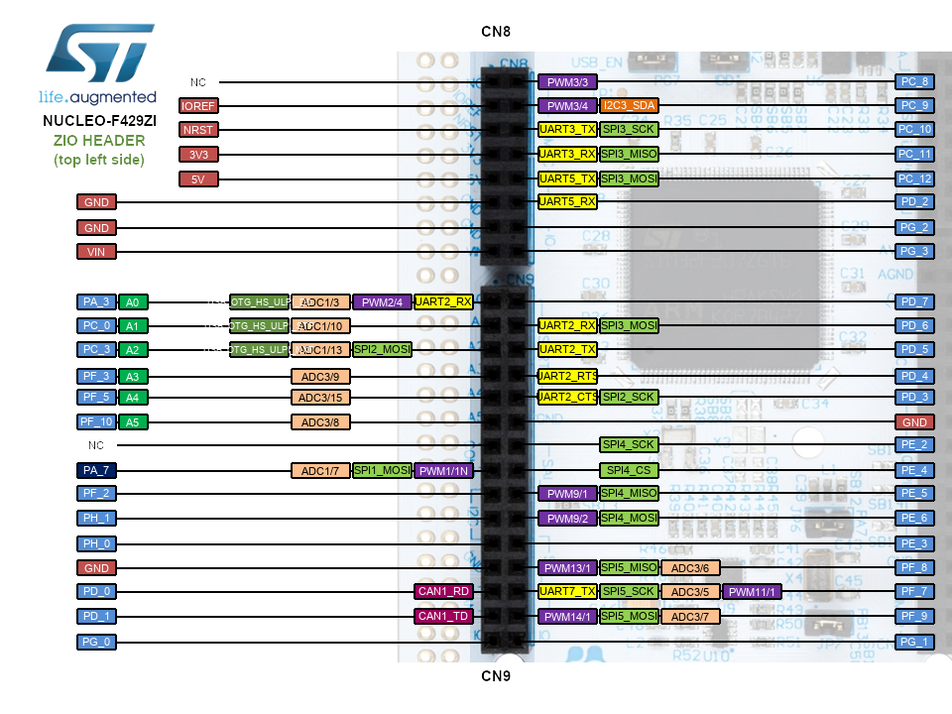
CS | PF3 |  | DigitalOut
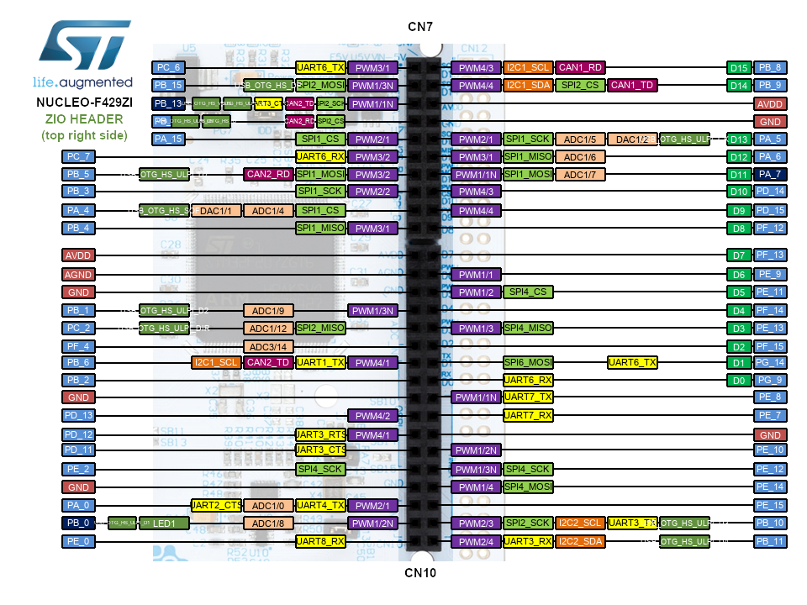
DETECT | PF4 |  | DigitalIn
Thermocouples:
T1 | PC0 |  | AnalogIn
T2 | PC3 |  | AnalogIn
T3 | PF5 |  | AnalogIn
T4 | PF10 |  | AnalogIn

N.B: a * next to the pin name indicates a change from the original code

